Photos 1 - Site & Sampling
PHOTOS 1 — FACTORY, BULK QUANTITY & SAMPLING (all photos taken on site, 2026-10-14)
CHESYPORA Premium Microfiber Entrance Mat 60 × 90 cm (PC0010 / FNSKU X002NV3RHP) | Inspection date: 2026-10-14 | Page reference of the main QC report

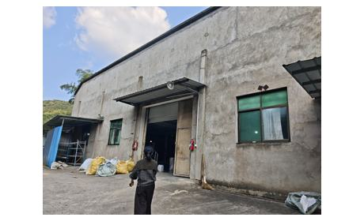
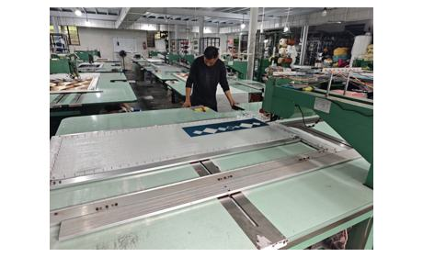
1. Factory entrance & production
1. Factory entrance | 2. Production line in operation

3. Production / packing area – WIP | 4. On-site dimension check of each sampled unit (tape measure)
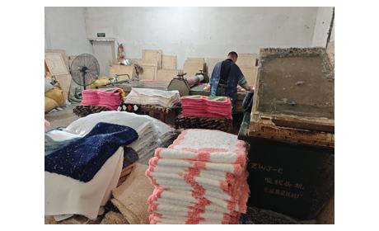 | 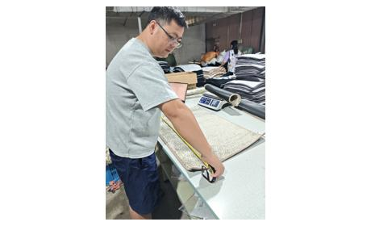

2. Finished bulk goods — 42 cartons
5. Bulk stock in warehouse: 42 master cartons (view 1) | 6. Bulk stock in warehouse: 42 master cartons (view 2)
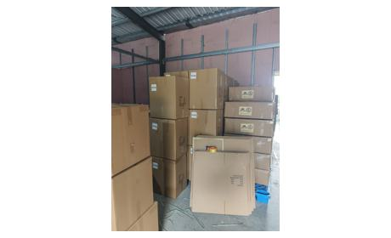 | 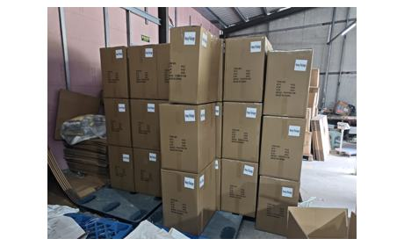
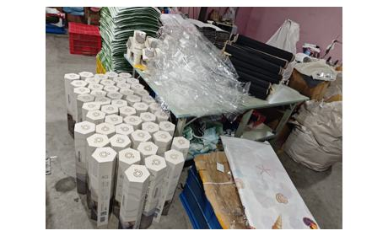
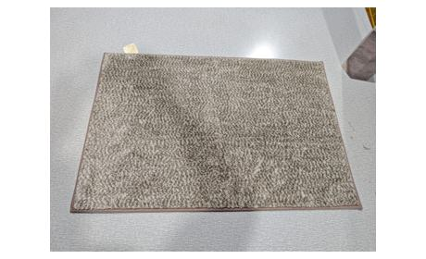
7. Packed hexagonal boxes, polybags and materials at factory after inspection | 8. Reference sample prepared by the factory

3. Sampling
9. Seven cartons sampled from different stacking positions (square-root method, √42 ≈ 7)
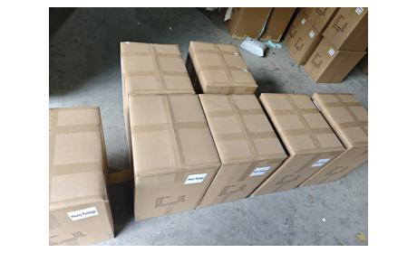
Sampling plan: 7 of 42 cartons (square-root method) drawn from different stacking positions; 50 pcs taken from the sampled cartons and each unit measured, weighed and inspected one by one (AQL Level II, sample size 50). The last carton of the lot is a remainder carton; no remainder marking was found on any carton.

Photos 2 - Pack & Packaging
PHOTOS 2 — MASTER CARTON, HEXAGONAL BOX, POLYBAG, LABELS & BELLY BAND
CHESYPORA Premium Microfiber Entrance Mat 60 × 90 cm (PC0010 / FNSKU X002NV3RHP) | Inspection date: 2026-10-14 | Page reference of the main QC report

4. Master carton — marks, weighing & measuring
10. Shipping mark: QTY / G.W. / N.W. fields BLANK; printed MEAS 51×41×64 cm (actual 65.5 cm); 'Heavy Package' label applied | 11. Master carton – side without shipping mark
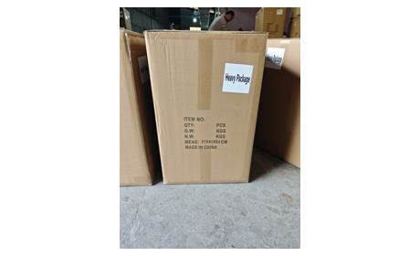 | 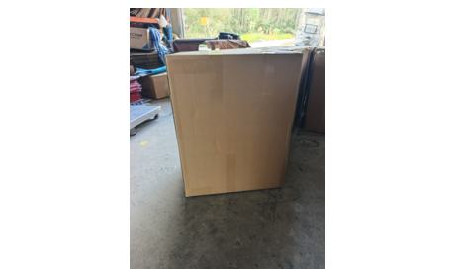
12. Master carton – general outlook | 13. Carton gross weight check (reading 21.684 kg; range of 7 cartons 21.260–21.815 kg)
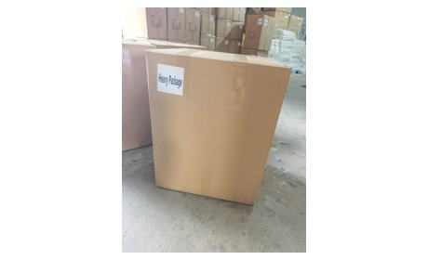 | 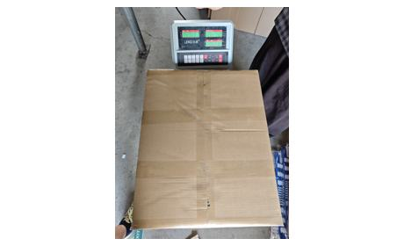
14. Carton length measured 51 cm | 15. Carton width measured 41 cm
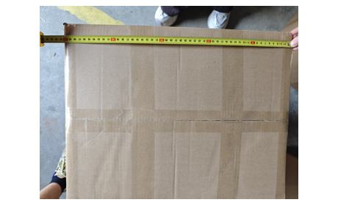 | 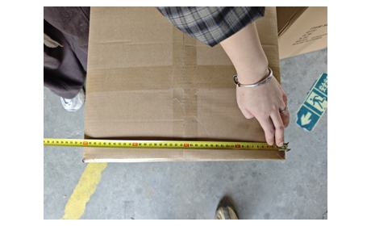
16. Carton height measured 65.5 cm | 17. Inside master carton: 12 hexagonal boxes (4 × 3) with cardboard divider
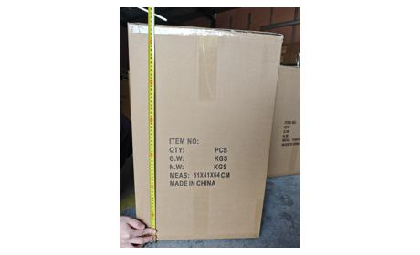 | 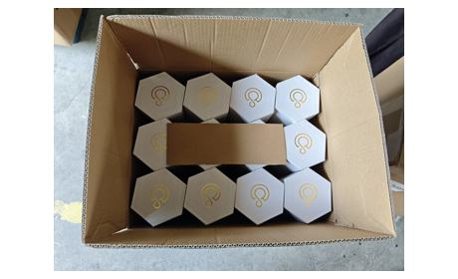

5. Unit hexagonal gift box
18. Unit hexagonal gift box – full outlook (60 × 90 cm, pile 0.9–1.0 cm printed) | 19. Separate slip-on lid – lid is NOT glued to the base and separates when the unit is lifted (FBA risk)
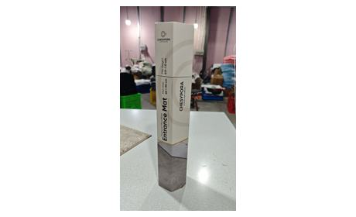 | 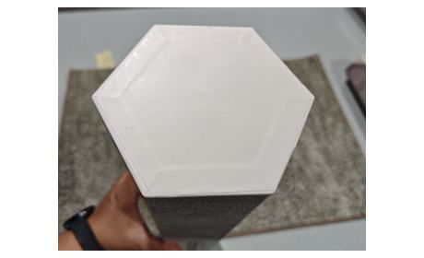
20. Unit box – alternative view | 21. Box flat-to-flat width measured
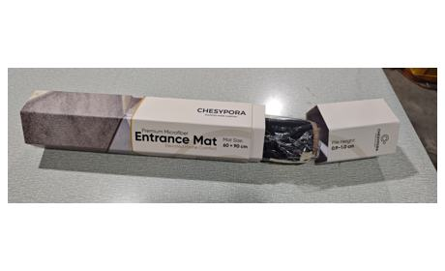 | 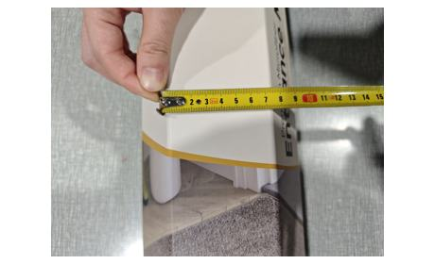
22. Hexagon point-to-point measured ≈ 12.5–13 cm | 23. Hexagonal end measured
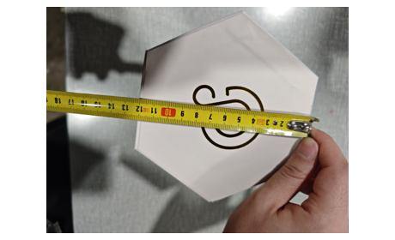 | 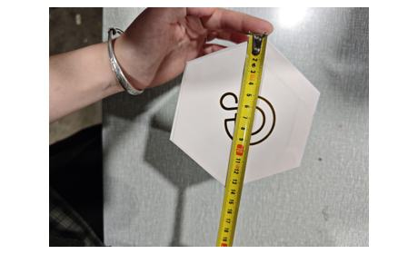
24. Inside of empty hexagonal box | 25. Unit box – general outlook
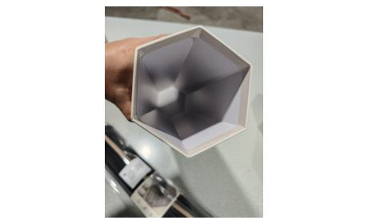 | 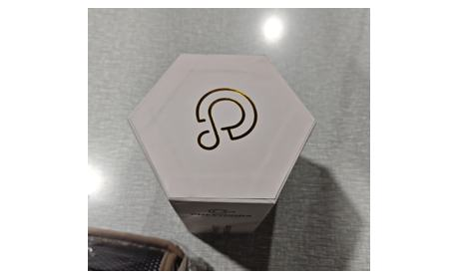

6. Polybag, card, belly band & labels
26. Rolled mat in polybag with French suffocation warning – note spacing error in “D'étouffement” (printed “D' etouffement”) | 27. Unit as packed: polybag, belly band, welcome card and care label
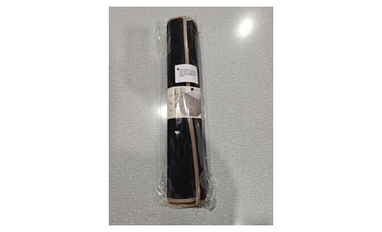 | 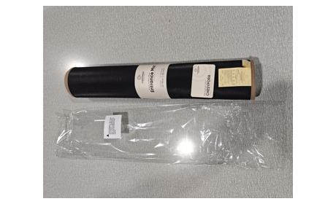
28. Polybag packaging check | 29. Welcome / thank-you card (“Bienvenue chez CHESYPORA”)
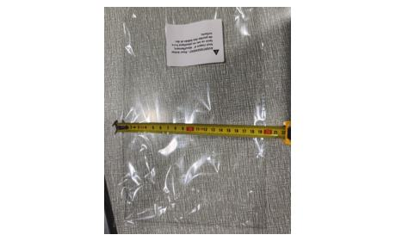 | 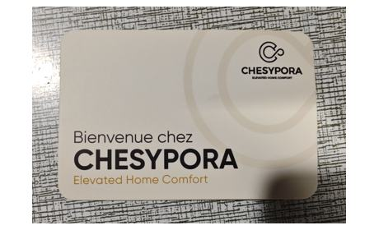
30. Belly band artwork: CHESYPORA Entrance Mat, 60 × 90 cm, pile 0.9–1.0 cm | 31. Belly band loosens after roll diameter shrinkage – part of the text is covered
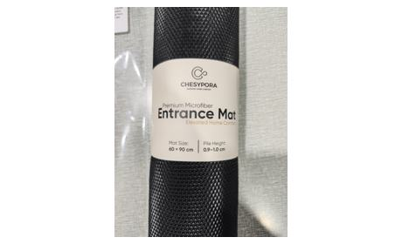 | 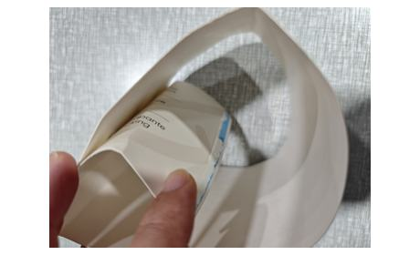
32. Woven brand label & care label: 100% polyester microfibre, 100% TPR base; PC0010; LOT 20260730 | 33. Brand / care label check
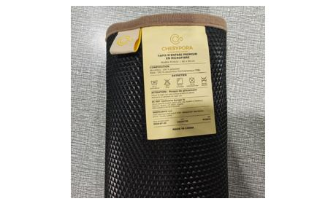 | 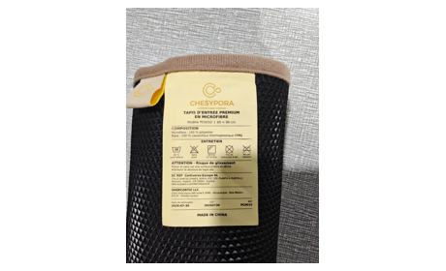

Photos 3 - Tests & Measures
PHOTOS 3 — SAMPLE COMPARISON, DIMENSIONS, WEIGHT & ON-SITE TESTS
CHESYPORA Premium Microfiber Entrance Mat 60 × 90 cm (PC0010 / FNSKU X002NV3RHP) | Inspection date: 2026-10-14 | Page reference of the main QC report

7. Approved sample vs mass production
34. Approved sample (top) vs mass product (bottom) – overall appearance matches | 35. Sample vs mass product – face yarn / colour comparison
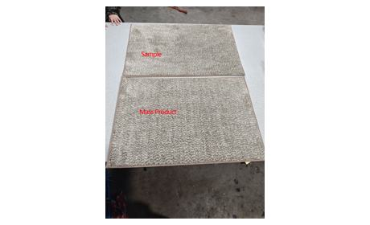 | 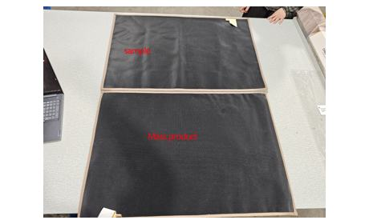
36. Sample vs mass product – edge binding comparison | 37. Sample vs mass product – overall comparison (view 2)
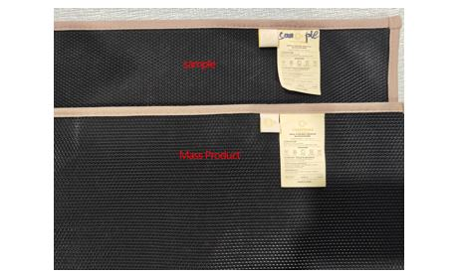 | 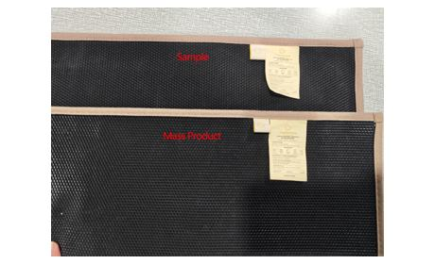

8. Dimensions & pile height (50 units measured individually)
38. Pile height measured ≈ 1 cm (specification 0.9–1.0 cm) | 39. Mass-product dimension measurement (60 × 90 cm, tolerance ±1 cm)
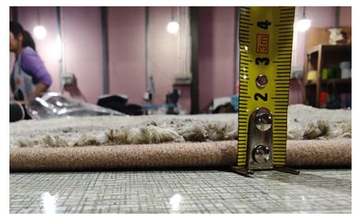 | 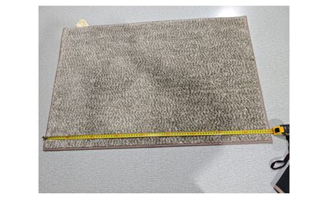
40. Mass-product dimension measurement
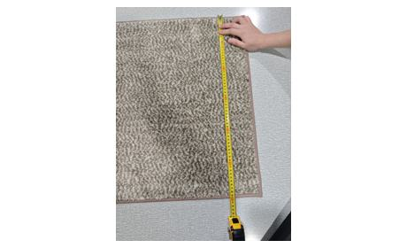

9. Net weight check (product only)
41. Net weight 1,003.6 g | 42. Net weight 870.0 g
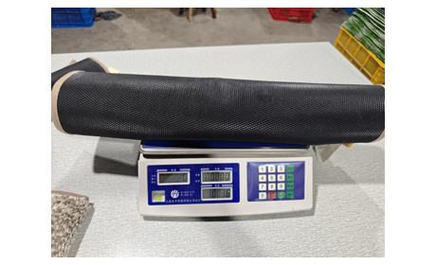 | 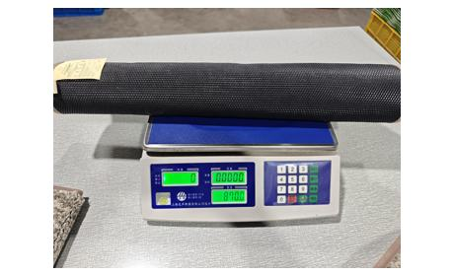
43. Net weight 969.8 g | 44. TPR anti-slip backing – thickness/weight inconsistent between units (range 763.4–1,102.0 g)
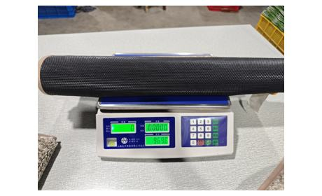 | 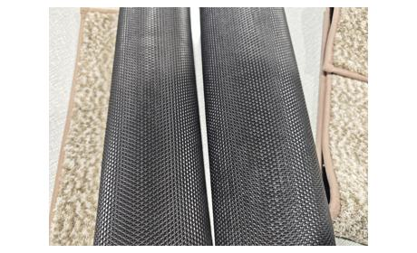

10. On-site tests
45. TUF BIND (TUFT WITHDRAWAL) TEST – FAILED: tufts can be pulled out under local tension (critical) | 46. Tuft withdrawal test – tuft pulling at edge
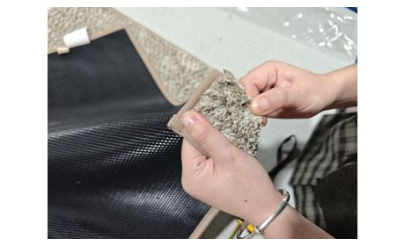 | 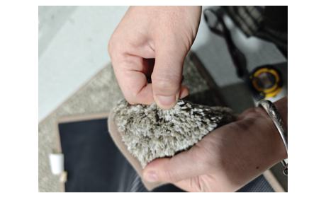
47. Tuft withdrawal test – tuft cluster pulling out
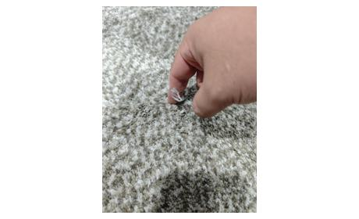 | SLIP-RESISTANCE (FRICTION) TEST – PASSED. Method: mat laid on a smooth table surface; the mat grips the surface and is hard to push by hand (see video clip “Slip Resistance Test.mp4”). VIDEO CLIPS AVAILABLE ON REQUEST: “19-Tuft withdrawal test (1).mp4” (failed test), “Slip Resistance Test.mp4” (passed test), “sampled and open carton.mp4”, “2-Production line (2)/(7).mp4”.

Photos 4 - Defects & Findings
PHOTOS 4 — DEFECTS, PACKAGING RISK & MARKING FINDINGS
CHESYPORA Premium Microfiber Entrance Mat 60 × 90 cm (PC0010 / FNSKU X002NV3RHP) | Inspection date: 2026-10-14 | Page reference of the main QC report

11. Critical finding — tuft bind test failed
48. Tuft bind test FAILED – tufts pull out under local tension; withdrawal not severe, practical risk to the end user limited (critical-grade)

12. Defects on gift boxes (spare boxes confirmed available at factory)
49. MAJOR – wrinkle on hexagonal box, 1 pc | 50. MINOR – wrinkle on hexagonal box, 1 pc
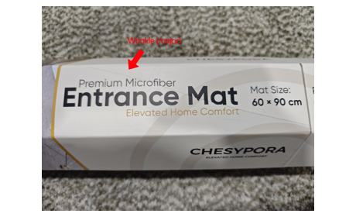 | 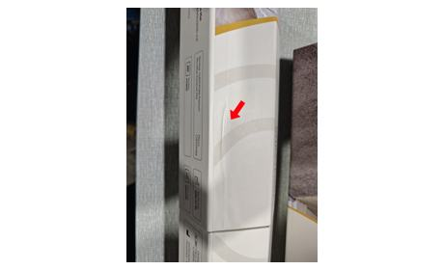
51. MINOR – colour shade difference between box lid and base, 1 pc
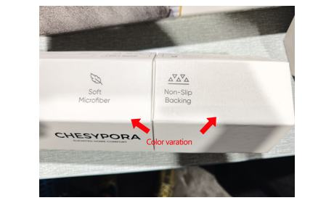

13. Defect on mat
52. MINOR – one loose thread < 0.5 cm on backing edge; trimmed / repaired on site


14. Systemic marking / artwork findings
53. Master-carton QTY / G.W. / N.W. left blank – to be filled before shipment | 54. Polybag warning text – extra space in “D'étouffement” – artwork correction required

55. Belly-band text partly covered after diameter shrinkage – trim excess or resize

15. Packaging risk for Amazon FBA
56. Hexagonal box lid not glued to the base – lid comes off first when units are taken out of the master carton | 57. Hexagonal box structure unstable – high FBA last-mile crushing risk; glue/secure the lid or add transit protection

